Sheet1
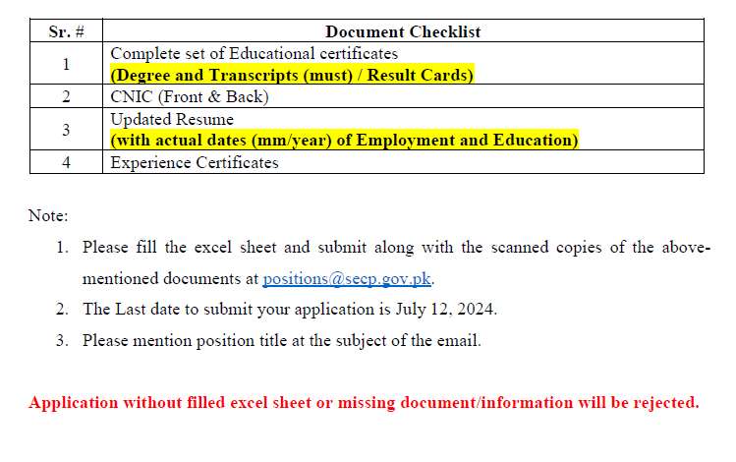
Sr. # | Applicant Name | Father's Name | Date of Birth | Religion | Domicile | Current Location | Post Qualificaton Experience | Name of Employers | Employment Start Date (DD/MM/YY) | Employment End Date (DD/MM/YY) | Qualification | University / Institute | Date of Enrolment (DD/MM/YY) | Date of Completion of Qualification (DD/MM/YY) | Email Address | Contact No. | Gender | CNIC No. | Address
1

